LOGO FLEECE ATS
 | DKNY JEANS LOGO FLEECE & TERRY ATS
 | SEASON | Style | Description | Color | CC | Fabrication | WHS | Delivery | UPDATED DELIV. | XXS | XS | S | M | L | XL | Total | Image | ATS COST | MSRP
VDJ4J6066G1Q | V | DJ4J6066 | RELAXED SHIRT JACKET | SKY GRY HEATHER | G1Q | CARBON FRENCH TERRY | UH, CD | IN STOCK |  | 25 | 62 | 91 | 97 | 67 | 22 | 364 | 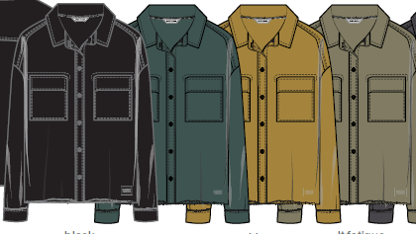 | $20.00 | $79.00
VDJ4J6066IL4 | V | DJ4J6066 |  | VANILLA BEAN | IL4 |  | UH, CD | IN STOCK |  | 19 | 45 | 79 | 77 | 58 | 32 | 310
VDJ4J6066FO5 | V | DJ4J6066 |  | FORGED IRON | FO5 |  | UH, CD | IN STOCK |  | 20 | 51 | 89 | 109 | 72 | 52 | 393
VDJ4J6066BLK | V | DJ4J6066 |  | BLACK | BLK |  | UH, CD | IN STOCK |  | 0 | 16 | 34 | 26 | 29 | 12 | 117
VDJ4P3059G1Q | V | DJ4P3059 | CARGO WIDE LEG PANTS - 30" INSEAM | SKY GREY HEATHER | G1Q | FRENCH TERRY - CARBON | UH, CD | IN STOCK |  | 13 | 38 | 43 | 30 | 9 | 2 | 135 |  | $17.00 | $69.00
VDJ4P3059FO5 | V | DJ4P3059 |  | FORGED IRON | FO5 |  | UH, CD | IN STOCK |  | 5 | 7 | 4 | 7 | 2 | 5 | 30
VDJ4P3059BLK | V | DJ4P3059 |  | BLACK | BLK |  | CD | IN STOCK |  |  | 3 | 6 | 6 | 6 | 3 | 24
YDJ5P3063EN2 | Y | DJ5P3063 | ANKLE LENGTH JOGGER | EGG NOG | EN2 | CARBON FRENCH TERRY | UH | IN STOCK |  | 0 | 19 | 33 | 21 | 21 | 9 | 103 | 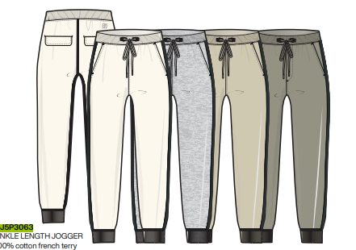 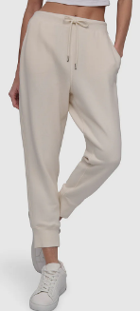 | $17.00 | $59.00
YDJ5P3063BLK | Y | DJ5P3063 | ANKLE LENGTH JOGGER | BLACK | BLK |  | UH | IN STOCK |  | 0 | 0 | 19 | 16 | 26 | 13 | 74 |  |  | $59.00
VDJ5P3113DMV | V | DJ5P3113 | EASY PULL ON PANTS | DUSTY MAUVE | DMV | CARBON FRENCH TERRY | UH | IN STOCK |  | 0 | 38 | 76 | 76 | 76 | 38 | 304 |  | $17.00 | $69.00
VDJ5P3113G1Q | V | DJ5P3113 |  | SKY GREY HEATHER | G1Q |  | UH | IN STOCK |  | 0 | 20 | 40 | 40 | 40 | 20 | 160
VDJ4T1254I06 | V | DJ4T1254 | SEQUIN LOGO SWEATSHIRT | CORTADO HEATHER/ SHINY SILVER | I06 | CARBON FRENCH TERRY | UH | IN STOCK |  | 11 | 30 | 82 | 91 | 88 | 34 | 336 |  | $16.00 | $59.00
VDJ4T1254ZR2 | V | DJ4T1254 |  | BLACK LIGHT GOLD | ZR2 |  | UH | IN STOCK |  | 0 | 30 | 64 | 49 | 67 | 46 | 256
VDJ4T1344BLK | V | DJ4T1344 | NEW YORK STACK PATCH LOGO SWEATSHIRT | BLACK | BLK | CARBON FRENCH TERRY | UH | IN STOCK |  | 20 | 40 | 40 | 40 | 40 | 20 | 200 | 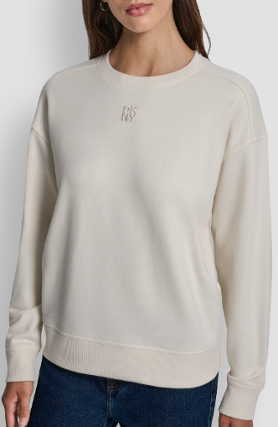 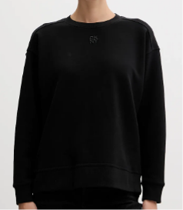 | $16.00 | $59.00
VDJ4T1344G1Q | V | DJ4T1344 |  | SKY GREY HEATHER | G1Q |  | UH | IN STOCK |  | 14 | 104 | 179 | 179 | 179 | 89 | 744
VDJ4T1344EN2 | V | DJ4T1344 |  | EGGNOG | EN2 |  | UH | IN STOCK |  | 0 | 52 | 114 | 109 | 109 | 37 | 421
VDJ4T1344N18 | V | DJ4T1344 |  | FIRST BLUE | N18 |  | UH | IN STOCK |  | 29 | 59 | 59 | 59 | 59 | 29 | 294
VDJ4T1344IVY | V | DJ4T1344 |  | IVORY | IVY |  | UH | IN STOCK |  | 0 | 25 | 50 | 50 | 50 | 25 | 200
VDJQT1411BBL | V | DJQT1411 | MIXED RHINESTUD STACKED LOGO | BLACK BLACK | BBL |  | UH | IN STOCK |  | 0 | 25 | 50 | 50 | 50 | 25 | 200 |  | $16.00 | $59.00
YDJ5T1424GI9 | Y | DJ5T1424 | DKNY MIXED EMBELISHED CREW NECK SWEATSHIRT | IVORY/SILVER | GI9 | CARBON FRENCH TERRY | UH | IN STOCK |  | 0 | 25 | 50 | 50 | 50 | 25 | 200 |  | $16.00 | $59.00
YDJ5T1426BSV | Y | DJ5T1426 | DKNY RHINESTONE STUD LOGO CREW NECK SWEATSHIRT | BLACK/SILVER | BSV | CARBON FRENCH TERRY | UH | IN STOCK |  | 0 | 25 | 50 | 50 | 50 | 25 | 200 |  | $17.00 | $69.00
YDJ5T1426OJM | Y | DJ5T1426 |  | EGGNOG/SILVER | OJM |  | UH | IN STOCK |  | 0 | 25 | 50 | 50 | 50 | 25 | 200
YDJ5T1428BSV | Y | DJ5T1428 | DKNY ARCHED DOME STUD HOODIE | BLACK/SILVER | BSV | CARBON FRENCH TERRY | UH | IN STOCK |  | 0 | 25 | 50 | 50 | 50 | 25 | 200 | 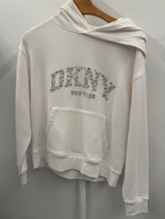 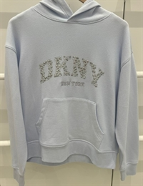 | $17.00 | $69.00
YDJ5T1428G1Z | Y | DJ5T1428 |  | WHT/MAT SILVER | G1Z |  | UH | IN STOCK |  | 0 | 34 | 5 | 3 | 5 | 5 | 52
YDJ5T1428KOY | Y | DJ5T1428 |  | SKYWAY BLUE SILVER | KOY |  | UH | IN STOCK |  | 0 | 25 | 50 | 50 | 50 | 25 | 200
YDJ5T1430KZS | Y | DJ5T1430 | DKNY GLITTER RHINESTONE | SKY GREY HEATHER / IRRIDESCENT SILVER | KZS | CARBON FRENCH TERRY | UH | IN STOCK |  | 0 | 25 | 50 | 50 | 50 | 25 | 200 |  | $16.00 | $59.00
YDJ5T1432BSV | Y | DJ5T1432 | STACKED NEW YORK MIX CREW NECK SWEATSHIRT | BLACK/SILVER | BSV | CARBON FRENCH TERRY | UH | IN STOCK |  | 72 | 51 | 4 | 0 | 19 | 21 | 167 |  | $17.00 | $69.00
YDJ5T1432EIE | Y | DJ5T1432 |  | FIRST BLUE SILVER | EIE |  | UH | IN STOCK |  | 25 | 50 | 50 | 50 | 50 | 25 | 250
YDJ5T1432GI9 | Y | DJ5T1432 |  | IVORY/SILVER | GI9 |  | UH | IN STOCK |  | 25 | 50 | 50 | 50 | 50 | 25 | 250
YDJ5T1434BSV | Y | DJ5T1434 | STACKED NEWYORK MIXED EMBELLISHMENT LOGO CREW NECK SWEATSHIRT CARBON FRENCH TERRY | BLACK/SILVER | BSV | CARBON FRENCH TERRY | UH | IN STOCK |  | 0 | 50 | 100 | 100 | 100 | 50 | 400 |  | $17.00 | $69.00
YDJ5T1436H0Q | Y | DJ5T1436 | DKNY RHINESTONE STUD LOGO CREW NECK SWEATSHIRT | SKY GREY HEATHER / SILVER | H0Q | CARBON FRENCH TERRY | UH | IN STOCK |  | 0 | 26 | 28 | 8 | 12 | 4 | 78 | 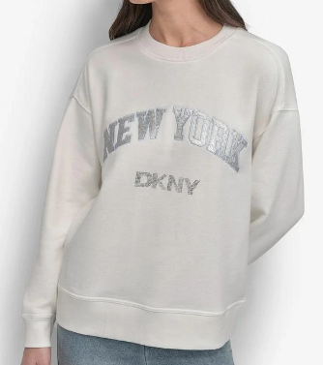 | $17.00 | $69.00
YDJ5T1436BSV | Y | DJ5T1436 |  | BLACK/SILVER | BSV |  | UH | IN STOCK |  | 0 | 23 | 54 | 24 | 21 | 4 | 126
YDJ5T14361YU | Y | DJ5T1436 |  | IVY/SLV | 1YU |  | UH | IN STOCK |  | 0 | 0 | 5 | 20 | 41 | 21 | 87
 |  |  |  |  |  |  |  |  |  |  |  |  |  |  |  | 7275

